Sheet1
Product Image | ASIA STYLE NUMBER | GF STYLE NUMBER | STYLE DESCRIPTION | COLOR DESCRIPTION | GENDER | WIDTH | SIZE | PROPOSED ORDER | Cost Price | HTS Code | Material composition
 | TB110061713 | 10061 | 6 IN LACE WATERPROOF BOOT | WHEAT | MENS | W | 8 |  | $87.00 | 64039100 | Footwear Leather Upper Over Ankle Rubber Sole
 | TB110061713 | 10061 | 6 IN LACE WATERPROOF BOOT | WHEAT | MENS | W | 8.5
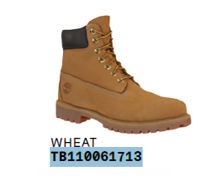
 | TB110061713 | 10061 | 6 IN LACE WATERPROOF BOOT | WHEAT | MENS | W | 9
 | TB110061713 | 10061 | 6 IN LACE WATERPROOF BOOT | WHEAT | MENS | W | 9.5
 | TB110061713 | 10061 | 6 IN LACE WATERPROOF BOOT | WHEAT | MENS | W | 10 | 711
 | TB110061713 | 10061 | 6 IN LACE WATERPROOF BOOT | WHEAT | MENS | W | 10.5 | 1,782
 | TB110061713 | 10061 | 6 IN LACE WATERPROOF BOOT | WHEAT | MENS | W | 11 | 1,584
 | TB110061713 | 10061 | 6 IN LACE WATERPROOF BOOT | WHEAT | MENS | W | 11.5 | 1,238
 | TB110061713 | 10061 | 6 IN LACE WATERPROOF BOOT | WHEAT | MENS | W | 12 | 1,308

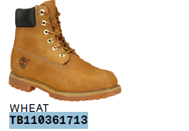
 | TB110361713 | 10361 | 6 IN LACE WATERPROOF BOOT | WHEAT | WOMENS | W | 6 | 420 | $87.00 | 64039100 | Footwear Leather Upper Over Ankle Rubber Sole
 | TB110361713 | 10361 | 6 IN LACE WATERPROOF BOOT | WHEAT | WOMENS | W | 6.5 | 432
 | TB110361713 | 10361 | 6 IN LACE WATERPROOF BOOT | WHEAT | WOMENS | W | 7 | 528
 | TB110361713 | 10361 | 6 IN LACE WATERPROOF BOOT | WHEAT | WOMENS | W | 7.5 | 564
 | TB110361713 | 10361 | 6 IN LACE WATERPROOF BOOT | WHEAT | WOMENS | W | 8 | 636
 | TB110361713 | 10361 | 6 IN LACE WATERPROOF BOOT | WHEAT | WOMENS | W | 8.5 | 588
 | TB110361713 | 10361 | 6 IN LACE WATERPROOF BOOT | WHEAT | WOMENS | W | 9 | 642
 | TB110361713 | 10361 | 6 IN LACE WATERPROOF BOOT | WHEAT | WOMENS | W | 9.5 | 456
 | TB110361713 | 10361 | 6 IN LACE WATERPROOF BOOT | WHEAT | WOMENS | W | 10 | 456

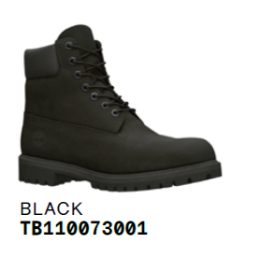
 | TB110073001 | 10073 | 6 IN LACE WATERPROOF BOOT | BLACK | MENS | W | 8 | 588 | $87.00 | 64039100 | Footwear Leather Upper Over Ankle Rubber Sole
 | TB110073001 | 10073 | 6 IN LACE WATERPROOF BOOT | BLACK | MENS | W | 8.5 | 624
 | TB110073001 | 10073 | 6 IN LACE WATERPROOF BOOT | BLACK | MENS | W | 9 | 756
 | TB110073001 | 10073 | 6 IN LACE WATERPROOF BOOT | BLACK | MENS | W | 9.5 | 882
 | TB110073001 | 10073 | 6 IN LACE WATERPROOF BOOT | BLACK | MENS | W | 10 | 996
 | TB110073001 | 10073 | 6 IN LACE WATERPROOF BOOT | BLACK | MENS | W | 10.5 | 972
 | TB110073001 | 10073 | 6 IN LACE WATERPROOF BOOT | BLACK | MENS | W | 11 | 876
 | TB110073001 | 10073 | 6 IN LACE WATERPROOF BOOT | BLACK | MENS | W | 11.5 | 648
 | TB110073001 | 10073 | 6 IN LACE WATERPROOF BOOT | BLACK | MENS | W | 12 | 504

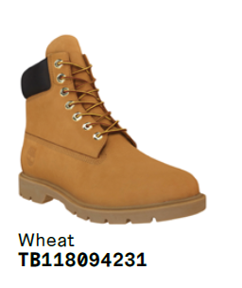
 | TB118094231 | 18094 | 6 IN LACE WATERPROOF BOOT | WHEAT | MENS | W | 9 | 276 | $87.00 | 64039100 | Footwear Leather Upper Over Ankle Rubber Sole
 | TB118094231 | 18094 | 6 IN LACE WATERPROOF BOOT | WHEAT | MENS | W | 9.5 | 168
 | TB118094231 | 18094 | 6 IN LACE WATERPROOF BOOT | WHEAT | MENS | W | 10 | 300
 | TB118094231 | 18094 | 6 IN LACE WATERPROOF BOOT | WHEAT | MENS | W | 10.5 | 300
 | TB118094231 | 18094 | 6 IN LACE WATERPROOF BOOT | WHEAT | MENS | W | 11 | 300
 | TB118094231 | 18094 | 6 IN LACE WATERPROOF BOOT | WHEAT | MENS | W | 11.5 | 168
 | TB118094231 | 18094 | 6 IN LACE WATERPROOF BOOT | WHEAT | MENS | W | 12 | 300

 |  |  |  |  |  |  |  | 20,003

